Browsers

Initial |  | msg_stage | raw_message | msg_link
 |  | Initial |  | 0 | Main button - Paste data do main table and clear scetch
 |  | First Response |  | 0
 |  | Resolve |  | 0

First Response |  |  |  |  | Clear scetch - Clear A2:A13
 |  |  |  |  |  | Destroy - delete all records from main table

 |  |  |  |  | Clear last 3 - Clear last 3 records from main table
Resolve

 |  |  |  |  | Copy main table - when work is done

Initial | First Response | Resolve

Pokeballs

Initial |  | msg_stage | raw_message | msg_link
 |  | Initial |  | 0 | Main button - Paste data do main table and clear scetch
 |  | First Response |  | 0
 |  | Resolve |  | 0
First Response |  |  |  |  | Clear scetch - Clear A2:A13
 |  |  |  |  |  | Destroy - delete all records from main table

 |  |  |  |  | Clear last 3 - Clear last 3 records from main table
Resolve

 |  |  |  |  | Copy main table - when work is done

Initial | First Response | Resolve

American_dream
Initial |  | msg_stage | raw_message | msg_link
 |  | Initial |  | 0 | Main button - Paste data do main table and clear scetch
 |  | First Response |  | 0
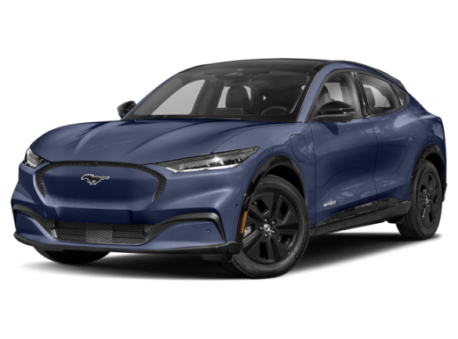
 |  | Resolve |  | 0
First Response |  |  |  |  | Clear scetch - Clear A2:A13
 |  |  |  |  |  | Destroy - delete all records from main table

 |  |  |  |  | Clear last 3 - Clear last 3 records from main table
Resolve

 |  |  |  |  | Copy main table - when work is done

Initial | First Response | Resolve

